9-13.Quality Attributes
9.Chemical Standard
Test Item |  | EU standard & recommendation | Country of Origin Standard | Test Frequency
Lead |  | 1.0mg/kg | N/A | Every 6 months
Cadmium |  | 3.0mg/kg | below 0.3mg/kg | tes /PO
Mercury |  | 0.5mg/kg | N/A | Every 6 months
Inorganice-Arsenic |  | 1.5mg/kg | N/A | Every 6 months
Pesticides |  | Annex 1; EU pesticide MRL | N/A | Every 6 months
Iodine |  | 20mg/kg | N/A | Every 6 months
10.Acrylamide
Are Products at risk of acrylamide? |  |  |  |  | No
If Yes. What mitigation measures are in place to manage acrylamide levels with the food? |  |  |  |  | N/A
11.Radioactivity | *occurs naturally in all food and can be transferred into food in different ways eg crops from soil, drinking water from the earth, Fish and Shellfish from the water or Sea floor.
Has the product/ingredient been irradiated? |  |  |  |  | No
Is the product/ingredient subject to potential radioactive cross contamination? |  |  |  |  | No
If yes, what controls in place |  |  |  |  | N/A
Has the product/ingredient been imported into the UK from a country that has high levels of radioactivity? |  |  |  |  | No
If Yes, how is this controlled and what checks are carried out? |  |  |  |  | N/A
12.Microbiology Standards | *Please insert GB standard
Micro-organisms | Type | EU satisfactory in ready to eat | Contry of Origin Standard | Manufacturer Standard | Test Frequency | *please clarify by filling in how many samples per day/PO rather than by each lot
e.coli group |  |  | N/A | Negative | Every 6 months
Bacillus cereus |  |  | N/A | Negative | Every 6 months
yellow staphylococcus aures |  |  | N/A | Negative | Every 6 months
listeria |  |  | N/A | Negative | Every 6 months
samonella | Pathogens | Not Detected | N/A | Negative | Every 6 months
intestinal hemorrhagic coliforms |  |  | N/A | Negative | Every 6 months
enteritis vibrio |  |  | N/A | Negative | Every 6 months
moisture |  |  | N/A | No standard | Every 6 months
13.Acceptance and Rejection standard
Standard Product Photo & Description |  | Rejected Product Photo& Description
IE. Grading, Sizing, Appearance, Flavor/taste, Texture, Colour, smell |  | IE. Grading, Sizing, Appearance, Flavor/taste, Texture, Colour, smell
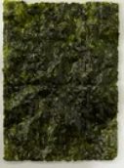 |  | 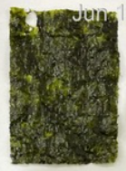 more than 10% of faulty rate

14-16.Quantity&packaging info

14.Quantity Attributes
 | Unit (g) | Case (kg)
Unit Drained Weight (If Product contains liquid) | N/A | N/A
Net Weight | 20 | 1.60
Gross Weight | 34.6 | 3.87
Is the product packed in a Protective atmosphere? (if yes, indicate the composition on gases used if applicable) |  |  | No
Is the product vacuum packed? |  |  | No
Primary Package Plastic Material Comply with Commission Regulation (EU) No 10/2011 |  |  | YES
15.Packaging Weight Dimensions
 | Description/Color | Materials *please indicate the plastic material from below 01-07 | Weight (g) | Dimensions (mm)

Primary: | transparent/(tray+Desiccant-Silica Gel) | PE | 9.4 | L | 115
Barcode |  |  |  | W | 100
5060740661102 |  |  |  | H | 60
Secondary: | white | PET/PE/Aluminium foil/PP | 5.2 | L | 340
 |  |  |  | W | 215
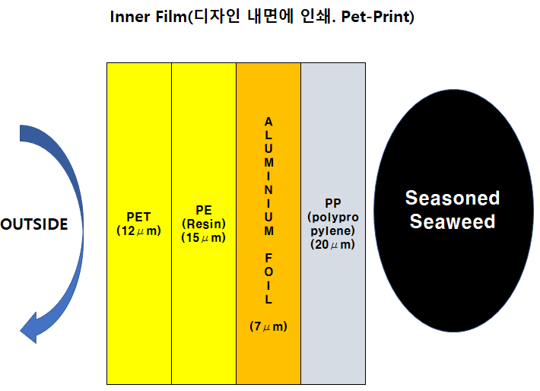
 |  |  |  | H
Tertiary: | transparent/(bag of 4x20g) | PET | 10 | L | 420
Barcode |  |  |  | W | 350
35060740661103 |  |  |  | H | 80
quaternary: | White | paper | 900 | L | 600
Barcode |  |  |  | W | 400
65060740661104 |  |  |  | H | 365
20FCL Max Load | 308
40FCL Max Load | 740 (estimate)

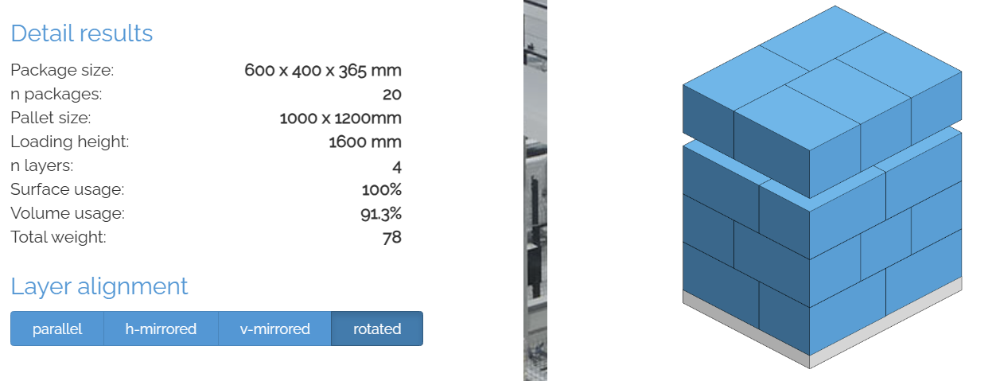
16.Pallet Configuration
 | EU Pallet Configuration (0.8m x 1.2m) |  | UK Pallet Configuration (1.0m x 1.2m)
Cases per layer | 4 |  | 5
Number of layers | 4 |  | 4
Cases Pallet | 16 |  | 20
Pallet Height | 1.46 |  | 1.46
Pallet Height incl pallet 0.145m | 1.605 |  | 1.605
Pallet Weight | 61.888 |  | 77.36
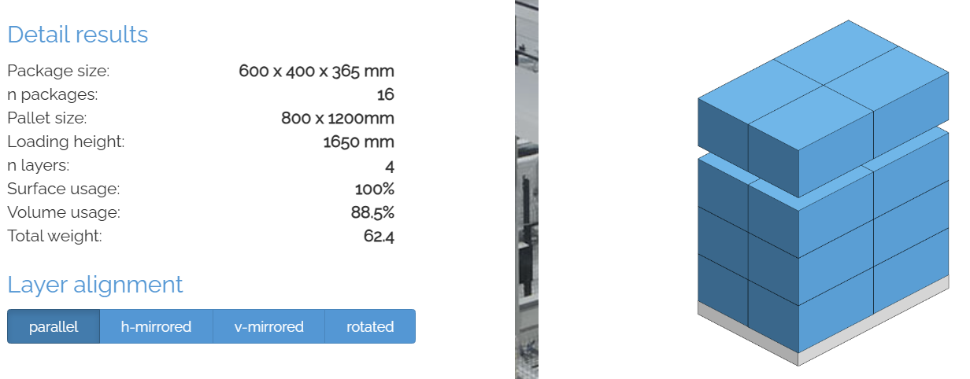
Pallet Top-View
 | *pallet height must lower than 1.75m

17-21.HACCP,Artwork&SpecAuthor.
17.Process Flow Chart- (showing all CCPs)
Please provide in the form a Critical Control Point (CCP), a description of the process/packing operations including processing times tempuratures where applicable and in process Safery Control Checks (CCP Summary) and Quality Checks.
*please insert HACCP plan of product

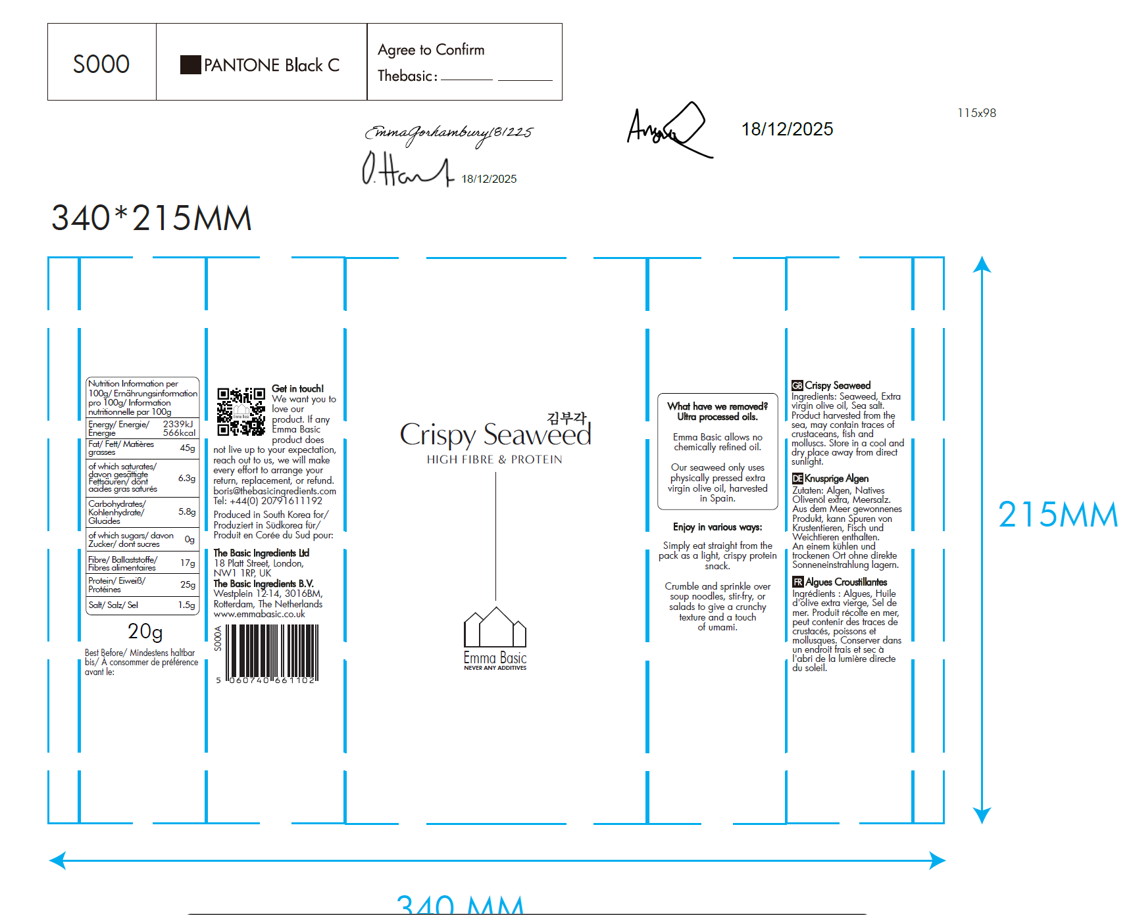
18.Critical Control Points
CCP | Control Measure |  | Critical Limit | Monitoring Frequency
8. second cook (CCP1) | temperature and speed |  | 166~188 ℃ | every 2 hours
12. metal detection (CCP2) | FE & SUS |  | 2.0mm | every 2 hours
19.Artwork
Inner Label / Package Design artwork |  | Outer Label / Package Design artwork

20.Packaging Photos
Finished Product with Primary package | Outer Case (Secondary) |  | Tertiary
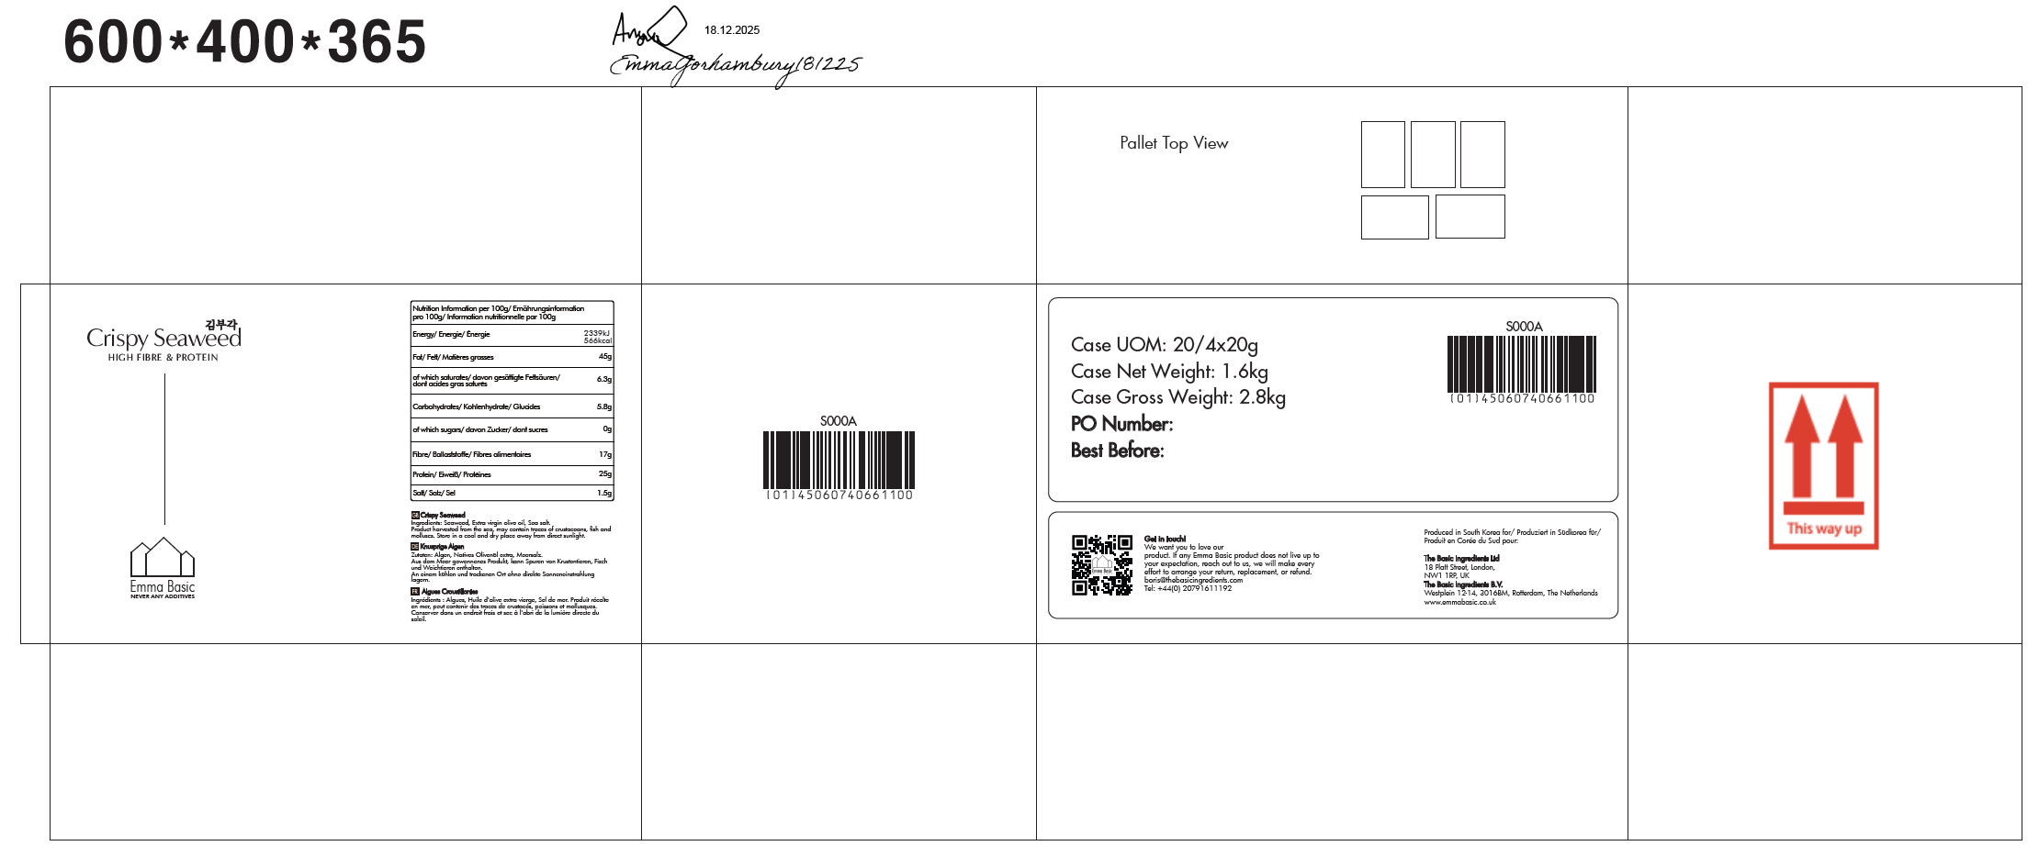
21. Specification Authorization
1.Product to be supplied in accordance with this agreed specification. No changes are to be made without prior knowledge and prior written agreement of The Basic Ingredients Ltd technical department. 2.The contents of this specification are confidential and should not be disclosed to a third party without a written approval of The Basic Ingredients Ltd technical department.
Manufacture Name | KWANGCHEONKIM CO., LTD.
Signature
Print Name | Jae Yoo Kim
Position in Company | CEO, President, Representative
Date | 2025-12-29

The Basic ingredients team use only
Signature | 杜一静
Print Name | Emma Du
Position in Company | Director
Date | 2025-12-26

